Properties
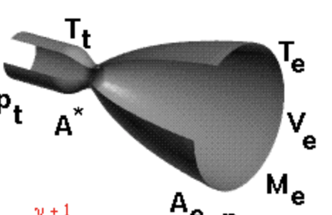
Properties
 |  | Description | Calculations

Propellant Flow Rate (wt) | Thrust / Impulse |  | 54.934644918 | kg/s

Fuel Flow Rate (wf) | (Propellant Flow Rate / Mixture Ratio) + 1 |  | 42.934843449

Oxidizer Flow Rate (wo) | Propellant Flow Rate - Fuel Flow Rate |  | 11.999801469

Chamber Temperature (Tc) | Combustion Temperature + 460 |  | 3490

Exit Temperature (Te) | [1 + Me^2 * (gam-1)/2]^-1 |  | 0.35571898867

Throat Temperature (Tt) | 0.909 * Chamber Temperature |  | 3172.41

Throat Pressure (Pt) | 0.564 * Chamber Pressure |  | 2857.224

Exit Velocity (Ve) | Ve = Me * sqrt (gam * R * Te) |  | 439.2153

Chamber Characteristic Length (L*)

Characteristic Velocity (c*) | sqrt(gamma * Rspecific * Tc) / ( gamma * sqrt((2 / (gamma + 1)) ** ((gamma + 1) / (gamma - 1))) ) |  | 263.38618499 | 24015.852186 | 2.5982911573 | 1535

Mach number at nozzle exit (Ma_exit) | sqrt(2 / (gamma - 1) * ((pc / pa) ** ((gamma - 1) / gamma) - 1)) |  | 4.425 | 1807.159

Thrust Coefficient (Cf) | F/At * Pc *Tc |  | 6.78 | 57.909712215 | 1.564

 |  |  |  | !!
 |  | #NAME?

 |  |  |  |  | 2.8561047273

